Sheet1
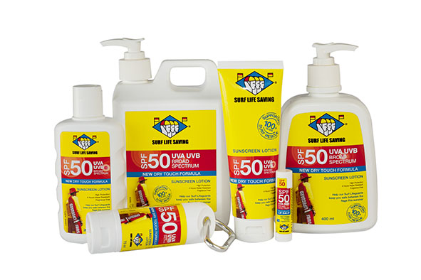

SURF LIFE SAVING SUNSCREEN CLUB FUNDRAISING ORDER FORM
Ref No: | Description | Size | Price per unit (excl GST) | Order in multiples of | Order quantity | Total Cost (excl GST) | RRP
27.7574 | SLSNZ SPF50 Sunscreen 75ml Clip | 75ml | $4.78 | 12 |  | $- | $9.99
27.7598 | SLSNZ SPF50 Sunscreen 100ml Tube | 100ml | $6.21 | 6 |  | $- | $12.99
27.7635 | SLSNZ SPF50 Sunscreen 200ml Bottle | 200ml | $8.13 | 6 |  | $- | $16.99
27.7659 | SLSNZ SPF50 Sunscreen 400ml Pump | 400ml | $11.95 | 6 |  | $- | $24.99
27.6188 | SLSNZ SPF50 Sunscreen 1L Pump | 1L | $21.52 | 6 |  | $- | $44.99
27.3521 | SLSNZ 2.5Ltr Pump | 2.5L | $45.23 | 4 |  | $- | $94.99
27.9286 | SLSNZ Lip Balm SPF50 | 5g | $3.01 | 24 |  | $- | $4.99
 |  |  |  |  | TOTAL | $-
 |  |  |  |  | GST | $-
 |  |  |  |  | TOTAL | $-
Total cost will be automatically calculated when you insert your order quantities for each product (grey cells).

Club:
Delivery address:

Contact person: |  | Phone:
 |  | Email:

Zenith Distribution's usual terms of trade apply. Payment required in advance by bank transfer. Bank details will be included on the invoice.

Please email the completed order form to Kate Feek: |  |  | katef@zenithdistribution.co.nz
Email Kate or call her on 021 580 193 if you have any queries.

